Test Cases
TC#ID | Project/ModuleName | Req#ID | Scenario | Test Case Description | Test Steps | Test Data | Expected Results | Actual Result | Status (Passed/Failed) | Severity | Priority | Comments | Analyst
TC_MyInfo_001 | Orange HRM-MyInfo | 3.1.1 | ESS user Login | Verify if the user can login successfully using valid credentials | 1) Launch browser 2) Open URL "https://opensource-demo.orangehrmlive.com" 3) Provide valid ESS user name 4) Provide valid password 5) Click on Login button | First Name: Gabriel Aaron Middle Name:R. Last Name: Manimtim Email: ga.manimtim07@gmail.com Username:Admin Pass: Qwerty98 | User should be able to redirect in OrangeHRM Dashboard ess user should see Myinfo page after Log In | Dashboard is displayed after login is successful instead of Myinfo page. | Failed | N/A | 1 | 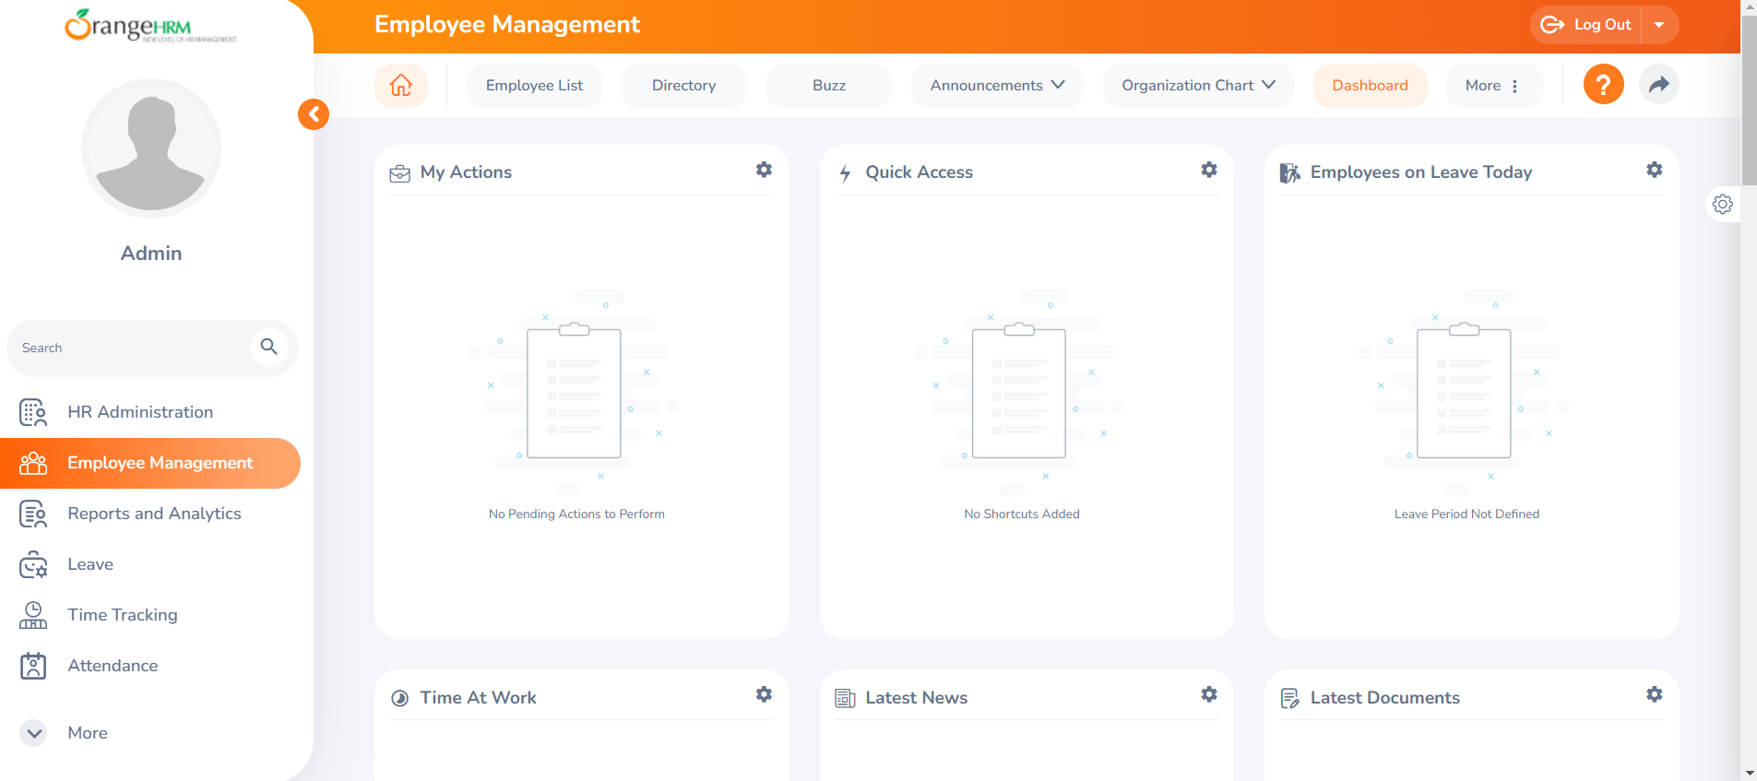 See Screenshot 1 | Gabriel
TC_MyInfo_002 | Orange HRM-MyInfo | 3.1.2 | ESS user Login | Verify if the user can login successfully with empty required fields | 1) Launch browser 2) Open URL "https://opensource-demo.orangehrmlive.com" 3) Provide valid ESS user name 4) Provide valid password 5) Click on Login button | Username: Pass: | User should be able to see an error message (Username & Password cannot be empty) | User see an error message (Username & Password cannot be empty) | Pass | N/A |  | See Screenshot 2 | Gabriel
TC_MyInfo_003 | Orange HRM-MyInfo | 3.1.3 | ESS user Login | Verify if the user can login successfully using valid username and invalid password | 1) Launch browser 2) Open URL "https://opensource-demo.orangehrmlive.com" 3) Provide valid ESS user name 4) Provide Invalid password 5) Click on Login button | Username:Gabriel Pass: Qwerty98 | User should be able to see an error message (Invalid Credential) | User see an error message Invalid Credential | Pass | N/A |  | 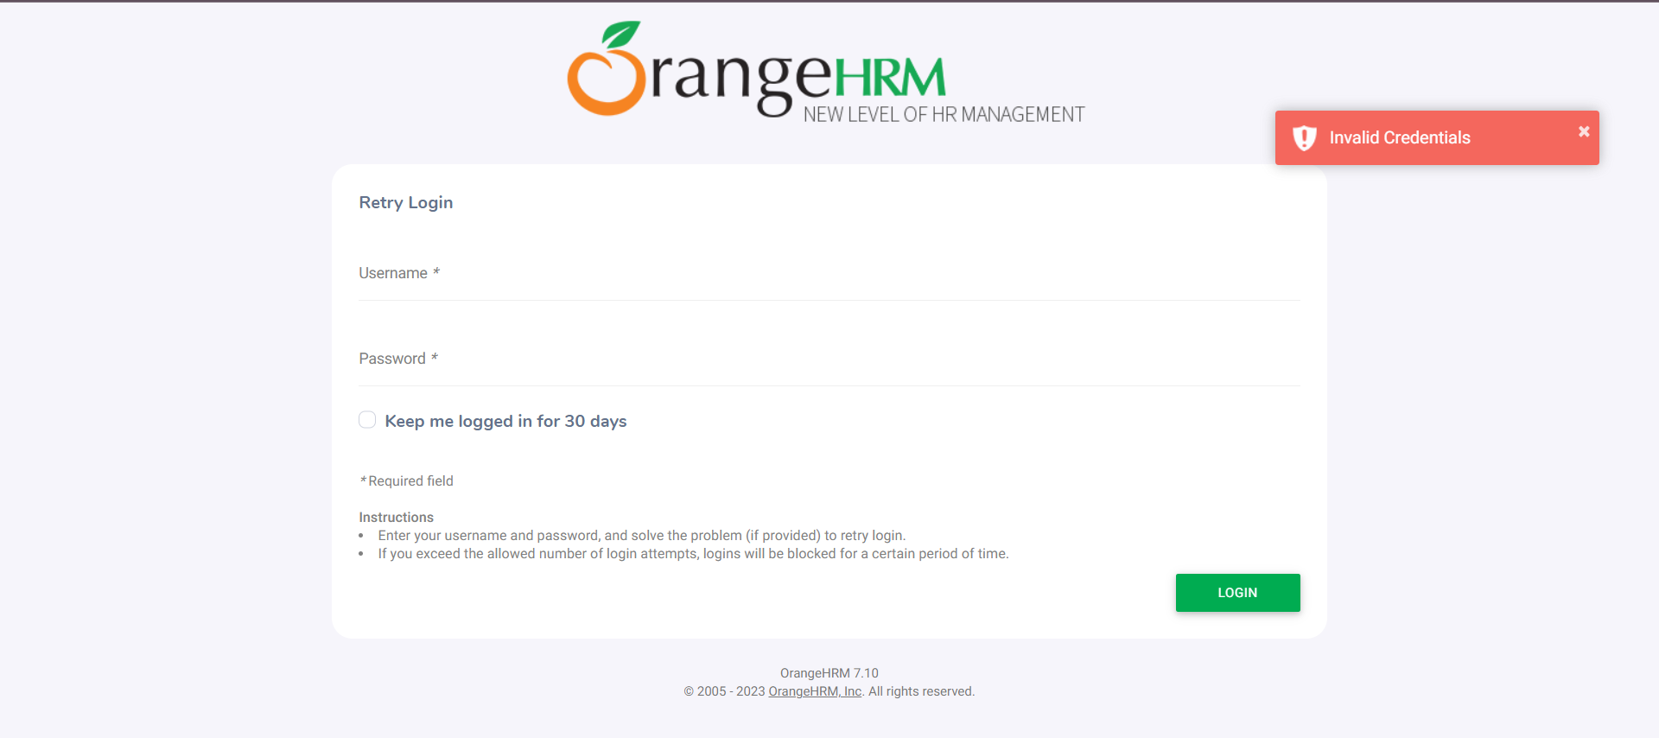 See Screenshot 3 | Gabriel
TC_MyInfo_004 | Orange HRM-MyInfo | 3.1.4 | ESS user Login | Verify if the user can login successfully using invalid username and valid password | 1) Launch browser 2) Open URL "https://opensource-demo.orangehrmlive.com" 3) Provide Invalid ESS user name 4) Provide valid password 5) Click on Login button | Username:Admin Pass: Qwerty98ss | User should be able to see an error message (Invalid Credential) | User see an error message Invalid Credential | Pass | N/A |  | 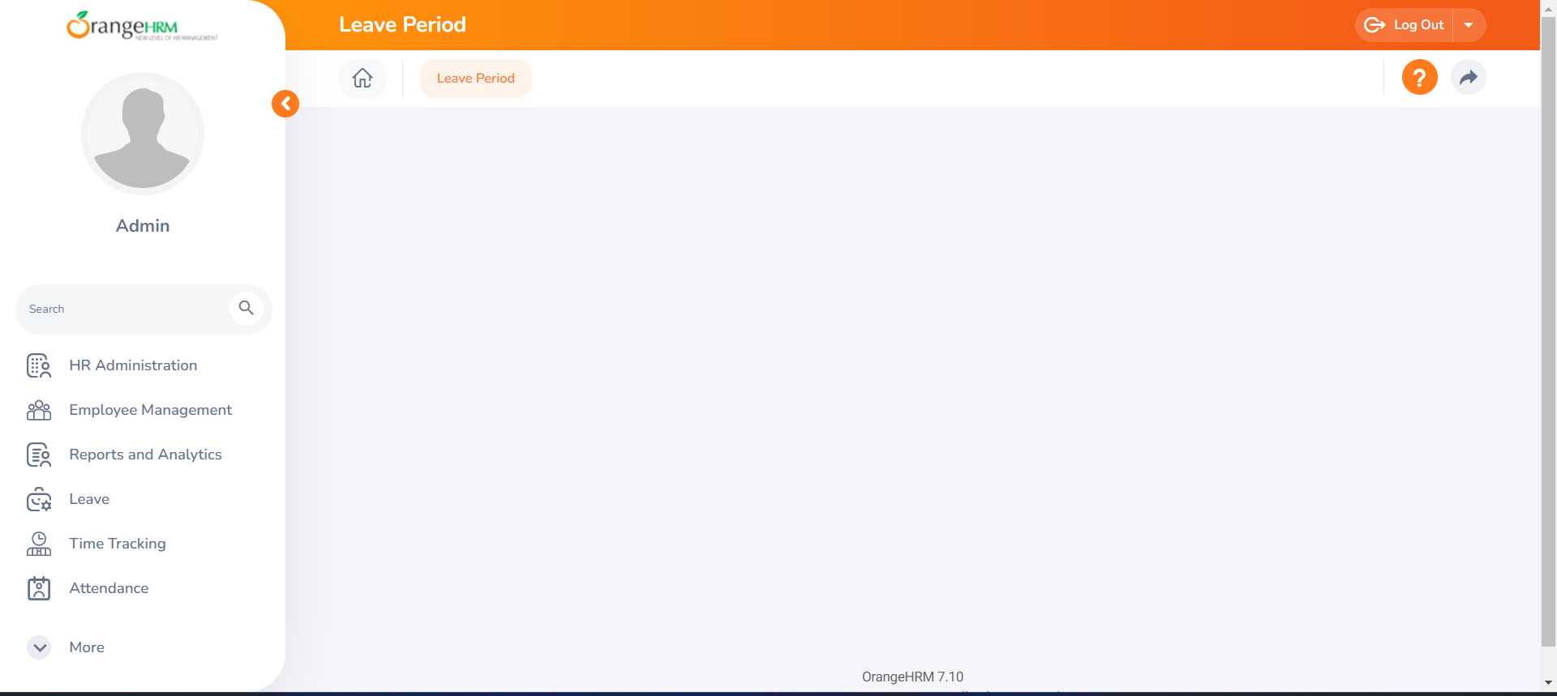 See Screenshot 4 | Gabriel
TC_MyInfo_005 | Orange HRM-MyInfo | 3.1.5 | ESS user Login | Verify if the user can login successfully using special Characters | 1) Launch browser 2) Open URL "https://opensource-demo.orangehrmlive.com" 3) Provide Invalid ESS user name 4) Provide valid password 5) Click on Login button | Username:(*,#,$,%) Pass: Qwerty98ss | User should be able to see an error message (Invalid Characters) | User see an error message Invalid Credential | Pass | N/A |  | See Screenshot 5 | Gabriel
TC_MyInfo_006 | Orange HRM-MyInfo | 3.1.6 | ESS user Login | Verify if the user can login successfully using special Characters | 1) Launch browser 2) Open URL "https://opensource-demo.orangehrmlive.com" 3) Provide Invalid ESS user name 4) Provide valid password 5) Click on Login button | Username:(*,#,$,%) Pass: Qwerty98ss | User should be able to see an error message (Invalid Characters) | User see an error message Invalid Credential | Pass | N/A |  | See Screenshot 6 | Gabriel
TC_MyInfo_007 | Orange HRM-MyInfo | 3.1.1 | ESS user cannot edit restricted fileds in Personal details | Verify ESS user cannot edit restricted fields | 1) Login to OrangeHRM as ESS user 2) Click on MyInfo tab 3) Click on Personal Details link 4) Click on Edit button | NA | The following fields should be non-editable. Employee ID SSN No SIN No Driver License No Date of Birth | As expected Clarificatin Required on SSN NO.( Not visible on MyInfo-->Personal details page) | Failed | N/A |  | See Screenshot 7 | Gabriel
TC_MyInfo_008 | Orange HRM-MyInfo | 3.1.2 | ESS user can add a photograph | Verify ESS user is able to add photograph | 1) Login to OrangeHRM as ESS user 2) Click on MyInfo tab 3) Click on the photograph at corner of the screen 4) Click "Browse" and then select a photograph from the relevant path 5) Click "Upload" once you have selected the picture | Images | An error should be displayed that it is an invalid file format when you upload non-supported files(like .exe). | The message of 'Invalid file type' should appear (as only JPG, GIF and PNG files supported) after the Upload button. But it uploads the complete exe file and then gives a message that the file type is invalid. | Failed | N/A |  | See Screenshot 7 | Gabriel
TC_MyInfo_009 | Orange HRM-MyInfo | 3.1.3 | ESS user can view Contact Details | Verify ESS user is able to view Contact Details | 1) Login to OrangeHRM as ESS user 2) Click on MyInfo tab 3) Click on Contact Details link | NA | User should able to view Contact details | As expected | Pass | N/A |  | See Screenshot 8 | Gabriel
TC_MyInfo_010 | Orange HRM-MyInfo | 3.1.3 | ESS user can edit Contact Details | Verify ESS user can edit some fileds in Contact Detials | 1) Login to OrangeHRM as ESS user 2) Click on MyInfo tab 3) Click on Contact Details link 4) Click on Edit button 5) Edit fields Address Streat1,Address Streat2,City,State,Zip,Country,Telephone,Mobile, Work Telephone,Work Email and Other Email 6) Click on Save button | NA | User should able to edit and save contact details. | As expected | Pass | N/A |  | See Screenshot 9 | Gabriel
TC_MyInfo_011 | Orange HRM-MyInfo | 3.1.4 | ESS user can add Emergency Contact | Verify ESS user able to add Emergency contact | 1) Login to OrangeHRM as ESS user 2) Click on MyInfo tab 3) Click on Emergency Contacts link 4) Click on Add button 5) Provide Emergency contact details Name (Mandatory field) Relationship (Mandatory field) Home Telephone Mobile Work Telephone 6) Click on Save button | NA | Successfully saved Details should be appeared under Emergency Contacts table. | As expected | Pass | N/A |  | See Screenshot 10 | Gabriel
TC_MyInfo_012 | Orange HRM-MyInfo | 3.1.4 | ESS user can add multiple Emergency Contact | Verify ESS user able to add multiple Emergency contacts | Repeat steps from TC_MyInfo_011 | NA | Successfully saved Multiple Emergency Contact Details should be appeared under Emergency Contacts table. | As expected | Pass | N/A |  | See Screenshot 11 | Gabriel
TC_MyInfo_013 | Orange HRM-MyInfo | 3.1.4 | ESS user can delete Emergency Contacts | Veryfy ESS user able to delete Emergency contacts | 1) Login to OrangeHRM as ESS user 2) Click on MyInfo tab 3) Click on Emergency Contacts link 4) Click on the check box next to particular entry 5) Click on Delete button | NA | Successfully Deleted Entries should disappear from Emergency Contacts table. | As expected | Pass | N/A |  | See Screenshot 12 | Gabriel
TC_MyInfo_014 | Orange HRM-MyInfo | 3.1.5 | ESS user can add Dependant | Verify ESS user able to add dependant | 1) Login to OrangeHRM as ESS user 2) Click on MyInfo tab 3) Click on Depandants link 4) Click on Add button under Assigned Dependents 5) Provide details Name (mandatory field) Relationship(select from drop down) Date of Birth 6) Click on Save button | NA | Successfully saved Depandant Details should be appeared under Assigned Dependants table. | As expected | Pass | N/A |  | See Screenshot 13 | Gabriel
TC_MyInfo_015 | Orange HRM-MyInfo | 3.1.5 | ESS user can add multiple Dependants | Verify ESS user able to add multiple Dependants | Repeat steps from TC_MyInfo_014 | NA | Successfully saved Multiple Dependants Details should be appeared under Assigned Dependents table. | As expected | Pass | N/A |  | See Screenshot 12 | Gabriel
TC_MyInfo_016 | Orange HRM-MyInfo | 3.1.5 | ESS user can delete Dependants | Veryfy ESS user able to delete Dependants | 1) Login to OrangeHRM as ESS user 2) Click on MyInfo tab 3) Click on Dependants link 4) Click on the check box next to particular entry 5) Click on Delete button | NA | Successfully Deleted Entries should disappear from Assigned Dependents table. | As expected | Pass | N/A |  | See Screenshot 13 | Gabriel

